RPi&JestsonNano
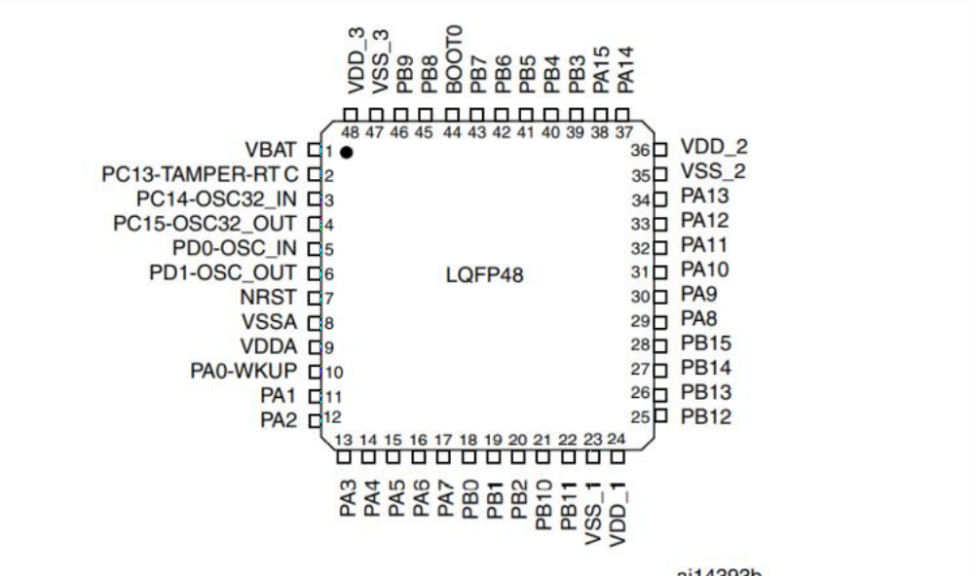
 | Functions | stm32 PIN | STM32iic ID | Remark
I2C interface | I2C-SDA | PB10 | I2C1 | The MCU on the expansion board is connected to this interface, with the address 0x15.
 | I2C-SCL | PB11

Serial port interface | UART-TXD | PA9 | USART1 | The microUSB interface is connected to this interface via a CH340 serial port chip.
 | UART-RXD | PA10

STC51
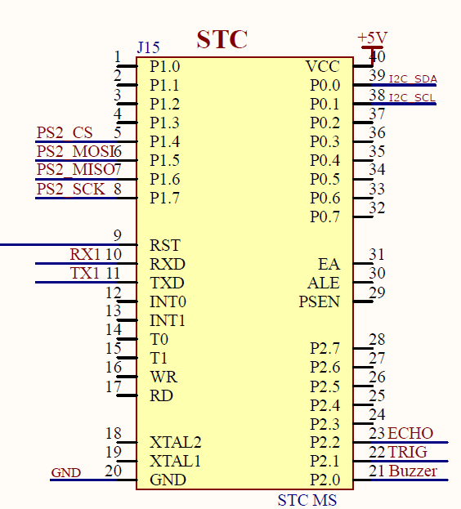
 | Functions | PIN | Remark
I2C inteface | I2C-SDA | P0.0 | The MCU on the expansion board is connected to this interface, with the address 0x15.
 | I2C-SCL | P0.1

Serial port interface | UART-TXD | TXD | The microUSB interface is connected to this interface via a CH340 serial port chip.
 | UART-RXD | RXD

PS2 handle receiver | PS2-MOSI | P1.5
 | PS2-MISO | P1.6
 | PS2-SCK | P1.7
 | PS2-CS | P1.4

Active buzzer | Buzzer | P2.0

Ultrasonic interface | ECHO | P2.2 | Reserved external expansion interface
 | TRIG | P2.1

STM32
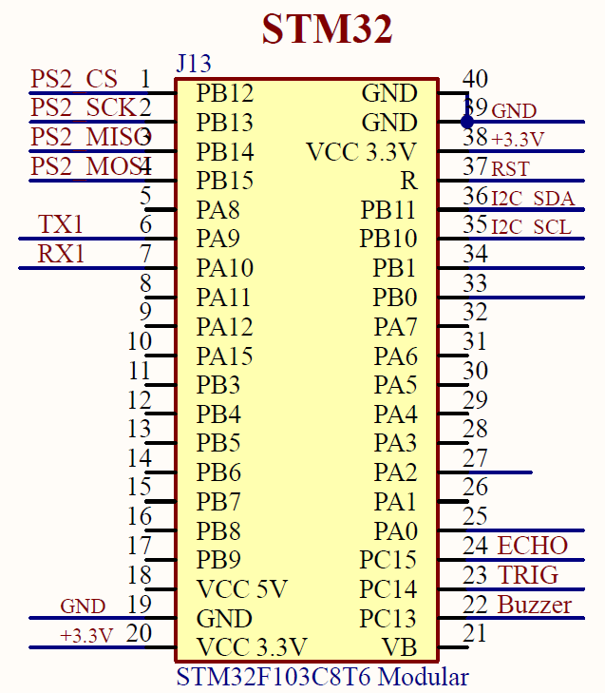
 | Functions | PIN | Remark
I2C inteface | I2C-SDA | PB11 | The MCU on the expansion board is connected to this interface, with the address 0x15.
 | I2C-SCL | PB10

Serial port interface | UART-TXD | PA9 | The microUSB interface is connected to this interface via a CH340 serial port chip.
 | UART-RXD | PA10

PS2 handle receiver | PS2-MOSI | PB15
 | PS2-MISO | PB14
 | PS2-SCK | PB13
 | PS2-CS | PB12

Active buzzer | Buzzer | PC13

Ultrasonic interface | ECHO | PC15 | Reserved external expansion interface
 | TRIG | PC14

Arduino UNO
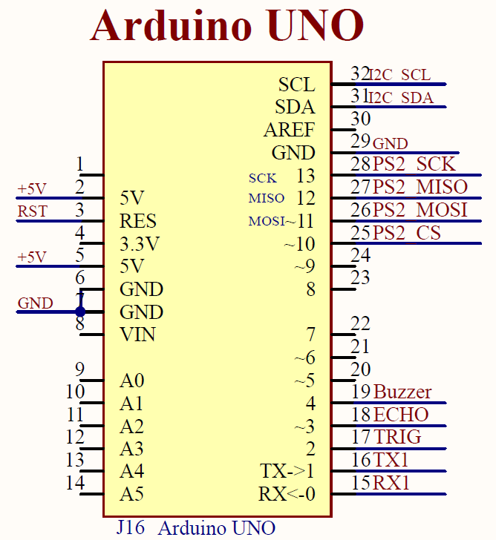
 | Functions | PIN | Remark
I2C inteface | I2C-SDA | SDA | The MCU on the expansion board is connected to this interface, with the address 0x15.
 | I2C-SCL | SCL

Serial port interface | UART-TXD | 1 | The microUSB interface is connected to this interface via a CH340 serial port chip.
 | UART-RXD | 0

PS2 handle receiver | PS2-MOSI | ~11
 | PS2-MISO | 12
 | PS2-SCK | 13
 | PS2-CS | ~10

Active buzzer | Buzzer | 4

Ultrasonic interface | ECHO | ~3 | Reserved external expansion interface
 | TRIG | 2

microbit
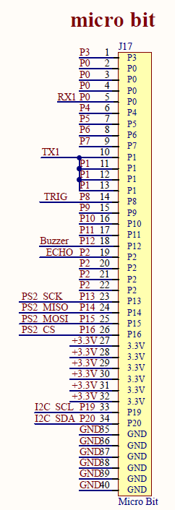
 | Functions | PIN | Remark
I2C inteface | I2C-SDA | P20 | The MCU on the expansion board is connected to this interface, with the address 0x15.
 | I2C-SCL | P19

Serial port interface | UART-TXD | P1 | The microUSB interface is connected to this interface via a CH340 serial port chip.
 | UART-RXD | P0

PS2 handle receiver | PS2-MOSI | P15
 | PS2-MISO | P14
 | PS2-SCK | P13
 | PS2-CS | P16

Active buzzer | Buzzer | P12

Ultrasonic interface | ECHO | P2 | Reserved external expansion interface
 | TRIG | P8

